MK_Growth
 | MK
1991 | 49,315
1992 | 31,420
1993 | 32,876
1994 | 30,684
1995 | 35,342
1996 | 37,704
1997 | 46,575
1998 | 42,849
1999 | 41,643
2000 | 42,076
2001 | 40,273
2002 | 38,356
2003 | 38,465
2004 | 41,256
2005 | 44,383
2006 | 45,479
2007 | 46,575
2008 | 46,448
2009 | 47,123 | Souce: TEA
2010 | 46,301 | CAGR | 0.01622 | 0.48674871294
2011 | 46,849
2012 | 50,787
2013 | 48,044
2014 | 52,964
2015 | 56,142
2016 | 52,549
2017 | 53,395
2018 | 54,253
2019 | 55,126
2020 | 56,013
2021 | 56,914
2022 | 57,829
2023 | 58,759
2024 | 59,704
2025 | 60,665
2026 | 61,640
2027 | 62,632
2028 | 63,639
2029 | 64,663
2030 | 65,703
2031 | 66,760
2032 | 67,833
2033 | 68,924
2034 | 70,033
2035 | 71,159
2036 | 72,304
2037 | 73,467
2038 | 74,649
2039 | 75,849
2040 | 77,069
2041 | 78,309
2042 | 79,568
2043 | 80,848
2044 | 82,148
2045 | 83,470

OCCC_Attendance
 | All Events |  |  | 2010-2015 Monthly Average
 | Events | Attendance |  | Jan | 156,460 |  | 2010 | 1,178,413
Jan | 17 | 161,777 | 2 | 2010-02-01 | 129,465 |  | 2011 | 1,210,956
2010-02-01 | 13 | 61,946 | 9 | 2010-03-01 | 136,133 |  | 2012 | 1,309,481
2010-03-01 | 28 | 166,515 | 1 | 2010-04-01 | 118,528 |  | 2013 | 1,252,762
2010-04-01 | 15 | 88,407 | 6 | 2010-05-01 | 70,266 |  | 2014 | 1,347,572
2010-05-01 | 17 | 45,896 | 12 | 2010-06-01 | 142,800 |  | 2015 | 1,373,000
2010-06-01 | 16 | 113,314 | 5 | 2010-07-01 | 53,493 |  | Annual Avg. | 1,278,697
2010-07-01 | 12 | 53,546 | 11 | 2010-08-01 | 55,552
2010-08-01 | 15 | 60,414 | 10 | 2010-09-01 | 90,734
2010-09-01 | 19 | 85,779 | 7 | 2010-10-01 | 117,985
2010-10-01 | 17 | 133,207 | 3 | 2010-11-01 | 129,645
2010-11-01 | 25 | 129,836 | 4 | 2010-12-01 | 77,636
Jan | 6 | 77,776
Jan | 11 | 130,361
2011-02-01 | 15 | 163,777
2011-03-01 | 21 | 155,939
2011-04-01 | 19 | 117,282
2011-05-01 | 16 | 52,595
2011-06-01 | 11 | 115,434
2011-07-01 | 9 | 25,867
2011-08-01 | 7 | 17,401
2011-09-01 | 16 | 95,007
2011-10-01 | 17 | 120,889
2011-11-01 | 24 | 132,374
2011-12-01 | 13 | 84,030
Jan | 14 | 127,986
2012-02-01 | 14 | 229,529
2012-03-01 | 14 | 74,049
2012-04-01 | 10 | 121,360
2012-05-01 | 12 | 96,939
2012-06-01 | 15 | 101,950
2012-07-01 | 14 | 50,732
2012-08-01 | 14 | 80,015
2012-09-01 | 12 | 87,467
2012-10-01 | 19 | 104,096
2012-11-01 | 22 | 158,691
2012-12-01 | 22 | 76,667 |  |  | 135,147 | Average monthly attendance of top 4 consecutive months (2010-2015)
Jan | 22 | 169,925 |  |  | 6,143.03 | Average weekday attendance approximation
2012-02-01 | 16 | 103,649
Mar | 21 | 139,094 |  |  | 138,620 | Average monthly attendance of top 4 consecutive months (2015)
Apr | 18 | 90,052 |  |  | 6,300.92 | Average weekday attendance approximation
May | 10 | 46,781
Jun | 14 | 178,122 |  |  | 12,601.84 | Average # of person trips to/from convention center (2015), average of top 4 months; This should be entered into SPECATR file subdivided across OCCC and OCCC Expansion TAZs
Jul | 17 | 44,683
Aug | 11 | 60,374
Sep | 16 | 87,071
Oct | 18 | 138,701
Nov | 19 | 113,173
Dec | 12 | 81,137
Jan | 23 | 169,577
2012-02-01 | 14 | 124,465
2012-03-01 | 24 | 178,241
2012-04-01 | 15 | 137,197
2012-05-01 | 8 | 44,389
2012-06-01 | 13 | 188,327
2012-07-01 | 20 | 60,216
2012-08-01 | 17 | 33,487
2012-09-01 | 14 | 90,552
2012-10-01 | 12 | 129,548
2012-11-01 | 20 | 113,845
2012-12-01 | 9 | 77,728
Jan | 21 | 179,135
2012-02-01 | 14 | 93,424
2012-03-01 | 8 | 102,961
2012-04-01 | 10 | 156,870
2012-05-01 | 11 | 134,995
2012-06-01 | 14 | 159,655
2012-07-01 | 13 | 85,912
2012-08-01 | 30 | 81,619
2012-09-01 | 15 | 98,529
2012-10-01 | 22 | 81,470
2012-11-01 | 21 | 129,952
2012-12-01 | 13 | 68,478
Jan | 17 | 201,513
2012-02-01 | 19 | 110,021
2012-03-01 | 22 | 142,453
2012-04-01 | 19 | 114,556
2012-05-01 | 11 | 115,819
2012-06-01 | 16 | 180,623
2012-07-01 | 27 | 104,145
2012-08-01 | 28 | 48,912
2012-09-01 | 18 | 146,625

Scratch
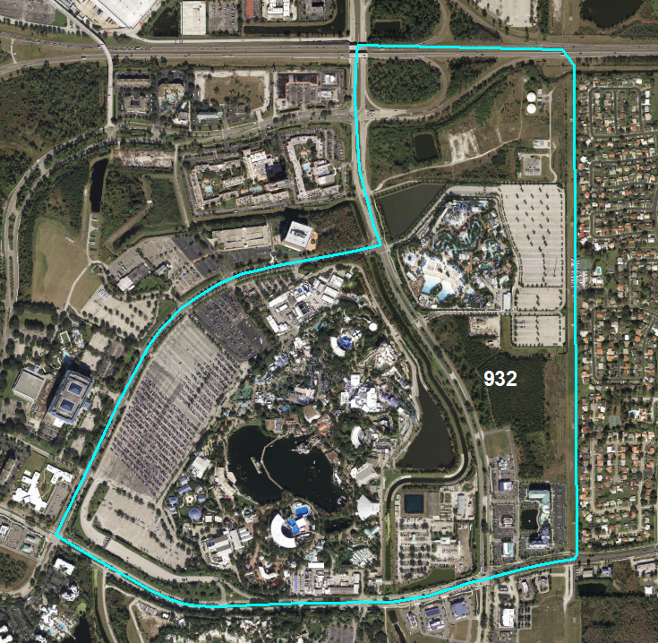
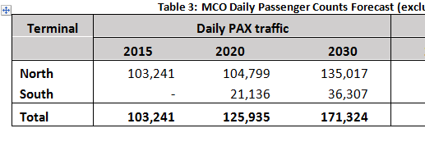

Updated Themeparks | 2010 | 2015
Universal Orlando | 65,063 | 100,696
Sea World/Aquatica | 36,164 | 44,354
Typhoon Lagoon | 11,988 | 13,494
Hollywood Studios | 52,619 | 59,332
Animal Kingdom | 53,074 | 59,847
EPCOT Center | 59,315 | 64,647
Blizzard Beach | 11,012 | 12,394
Magic Kingdom | 92,997 | 112,285

